Dashboard

STARBUCKS COFFEE SALES DASHBOARD

TOP 5 Contries Sales
Total_Quantity By QTY
 | Total
Congo | 15910.08
Italy | 13956.63
Jordan | 10154.55
Libyan Arab Jamahiriya | 9597.95
Zimbabwe | 14042.63
 | Total
QTY2 | ₹2.7K
₹0.0M
Total_Sale

 | Total
QTY2 | ₹0.0M
Total_Sale By QTY
2.7K
Total_QTY
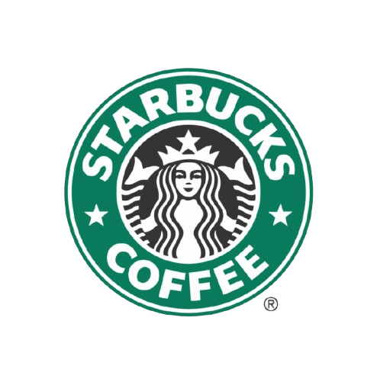

TOP 5 City Sales

54
Total_Customer
 | Total
Lake Jeffreyport | 9615
Jacobfurt | 9598
Josephland | 9557
Lake Anabury | 9545
Lake Elizabethfurt | 9500
Total_Sale By Month
Sep | ₹298K
Grand Total | ₹298K
0 | ₹0K
0 | ₹0K
0 | ₹0K
0 | ₹0K
0 | ₹0K
0 | ₹0K
0 | ₹0K
0 | ₹0K
0 | ₹0K
0 | ₹0K

35.61
AVG_Age

